Sheet2
Count of Student name by mobile brand
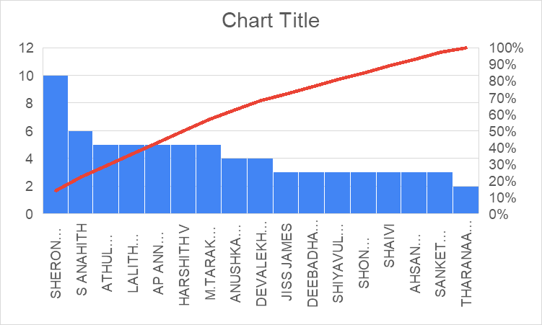
mobile brand | Count of Student name
Apple | 16
BLACKBERRY | 1
Infinix | 1
iqoo | 2
Motorola | 1
mts | 1
Nokia | 1
Nothing | 4
One plus | 6
ONEPLUS | 1
oppo | 1
PIXEL | 1
Poco | 2
Realme | 2
Samsung | 10
vivo | 6
Xiaomi | 1
(blank) | 2

Sheet3
Count of Preffered time of study
 | Total
anytime | 2
Day | 1
Evening | 19
morning | 7
never | 2
night | 20
No study | 2
(blank)
Preffered time of study | Count of Preffered time of study
anytime | 2
Day | 1
Evening | 19
morning | 7
never | 2
night | 20
No study | 2
(blank)

